AP C5 Functions
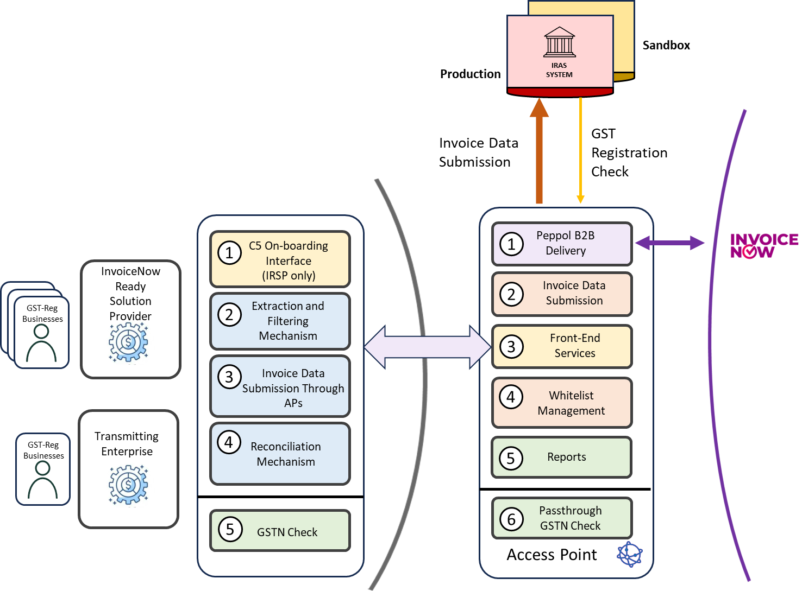
Modules |  | Functions
1 | Peppol B2B Delivery | 1. To be able to transmit a copy of the invoice data to IRAS via IRAS' C5 API after sending to the Peppol Network
2 | Invoice Data submission | 1. To be able to access IRAS' C5 API and submit data packages as per TX2 specifications 2. To be able to log all submission transactions as per TX3 specifications 3. To be able to handle errors during submission to IRAS' C5 API
3 | Frontend service | 1. To allow customer to submit invoice data according to the correct end destinations (Peppol Only, IRAS Only, Peppol & IRAS) in a secure manner 2. To be able to perform validation checks on invoice data by submitters 3. To be able to report validation errors & provide IRAS response to submitters
4 | Whitelist management | 1. To be able to activate and deactivate C5 submitter on SMP 2. To be able to maintain the whitelist such that only activated submitters are allowed to submit invoice data via the access point
5 | Reports | 1. To be able to generate a report according to IMDA monthly report template 2. To be able to generate a report for IRSP/Transmitting enterprise
6 | [Recommended] Validation Check for Wrongful GST Charges | 1. To demonstrate that AP has implemented a pass-through API that calls IRAS' "Check GST Register API" for customers or partners or solution providers to connect to to check for wrongful GST charges

